Documentation
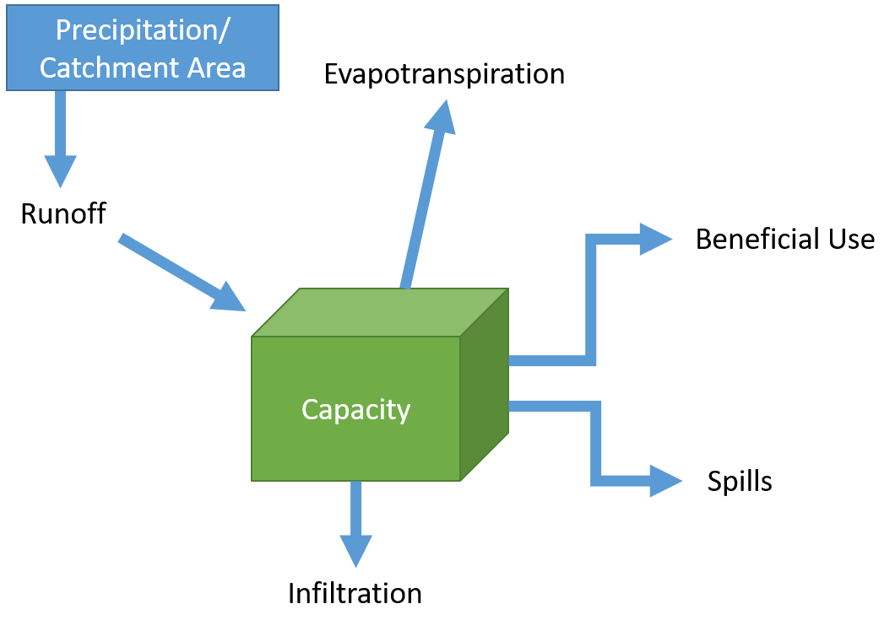
Required User Inputs: |  | SB-SWBC Schematics
·Watershed where project is located
·Soil Type
·Land Use
·Whether or not the project storage area is vegetated
·Volume of storage area
·Area of infiltration
·Drainage/catchment area
·Whether water is being stored or infiltrated to a groundwater basin
·Square footage of turf to be converted to a water efficient landscaping
·Whether water is being infiltrated or evapotranspirated
·Area of project in which infiltration and/or evaporation occurs
·Whether potable or recycled water demand is being satisfied with the project
·Whether or not the project requires energy to operate; if so, the amount of energy required
·One of the following:
·Project's annual energy consumption
·Project's annual energy cost
·Project's annual O&M cost AND
·Percent of annual O&M cost associated with energy consumption

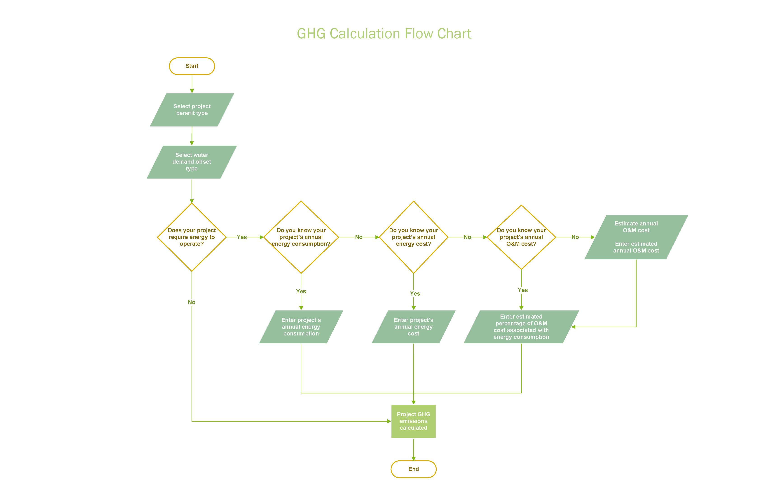

Data Sources:
Precipitation
Source: | https://wrcc.dri.edu/
Information: | Stations used are listed in Watershed Precip Data tab; daily precipitation rates for 1981-2010 unless otherwise stated

Evapotranspiration
Source: | Source: http://missionrcd.org/wp-content/uploads/2014/04/CIMIS-Reference-Evapotranspiration-Zones.pdf
Information: | **ET rates used are for Zone 2

Duty Factors
Source: | Master planning duty factors for California
Information: | Correction factor applied by RMC

Outdoor Factors
Source: | Water Conservation Demand Study for the Newland Sierra Specific Plan and EIR (San Diego County, CA)
Information: | Percent of demand corresponding to outdoor demand was calculated and assigned to corresponding land use types

Seasonal Factors
Source: | https://www.sandiego.gov/sites/default/files/legacy/water/pdf/2012lrpwrfinalreport.pdf
Information: | These factors were applied to demand and ET rates

C-Values
Source: | http://www.sandiegocounty.gov/dpw/floodcontrol/floodcontrolpdf/hydro-evalcvalues.pdf
Information: | Applied to land uses based on soil type selected by user

Infiltration Rates
Source: | http://www.sandiegocounty.gov/content/dam/sdc/pds/docs/water_quality_guidelines.pdf
Information: | Top end of infiltration range for each soil type

GHG Emission Variables
Source: | See the GHG Calculationstab
Information: | Variables used to calculate water's GHG emissions

WS-2, WS-3, & WS-4
Note: This Tab Is Independent of Other Tabs in This File. For Benefits WS2, WS4 and WS5, Only This Tab Needs To Be Completed

Section 1: Watershed Information |  |  | WS-2 Schematic:

1.1 Select watershed where project is located | Select One
Click here for a watershed map

Section 2: Existing Conditions


2.1 Select soil type - see Soil Type & Land Use tab | Select One
Click here for a soil map

2.2 Select land use - See Soil Type & Land Use tab | Select One |  | WS-3 & WS-4 Schematic:

2.3 Is the project storage vegetated? | Select One

Section 3: Project Information

3.1 Provide volume of storage | - | AF

3.2 Provide infiltration area (length x width of storage) | - | square feet

3.2 Provide drainage area/catchment area | - | acres
If not available, use a mapping application to estimate area

3.3 Is the water being stored or infiltrating into a groundwater basin? | Select One

Section 4: Results
WS-2: Volume of stormwater and/or dry weather runoff that will be collected, stored, and used beneficially: | 0.00 | AFY

WS-3: Volume of stormwater or dry weather runoff that will be infiltrated to a direct-use basin: | 0.00 | AFY

WS-4: Volume of stormwater or dry weather runoff captured, store, and then infiltrated to a non-direct-use basin: | 0.00 | AFY

FM-1 & FM-3
Note: This Tab requires completing Sections 1, 2 and 3 under the "WS-2, WS-3 & WS-4" Tab also.

Section 1: Project Information |  |  | FM-3 Schematic:

1.1 Is the water primarily being infiltrated or evapotranspirated? | Select One
Note: Results for Infiltration will appear under Section 2: Results as FM-3; Evapotranspiration as FM-1

1.2 What is the area of your project in which infiltration and/or evaporation occurs?
L: | - | feet
W: | - | feet

Area: | #VALUE! | acres


 |  |  | FM-1 Schematic:

Section 2: Results

#N/A | #N/A | AFY
Note: Results for Infiltration will appear as FM-3; Evapotranspiration as FM-1

